Donation
PG3 | SAP Material No. | Description | Product Description | Quality | Qty/ EA | EA/ Carton | Weight/ Carton (kg) | CBM/ Carton | No. of Carton | Total Weight (kg) | Total CBM | Picture
ACT | GPACTH411005 | GPLHE411/GE-2U2 | Torch + Carbon Zinc Battery | New | 3,864 | 20 | 5.856 | 0.135168 | 194.00 | 1,136.06 | 26.223 | 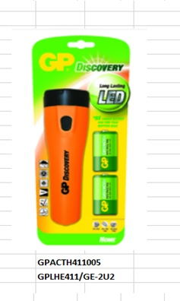
PCC | GPPCC15PL044 | GP15PLTH-2S4 | Carbon Zinc Battery (AA) | New | 135,184 | 250 | 16 | 0.01852443 | 541.00 | 8,656.00 | 10.022
PCC | GPPCC24PL021 | GP24PLTH-2S4 | Carbon Zinc Battery (AAA) | New | 61,549 | 250 | 9.5 | 0.00995049 | 247.00 | 2,346.50 | 2.458 | 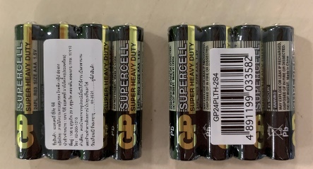
PCC | GPPCC24PL022 | GP24PLTH-2S2 | Carbon Zinc Battery (AAA) | New | 228,426 | 500 | 9.2 | 0.00995049 | 457.00 | 4,204.40 | 4.547
PCC | GPPCC24PL042 | GP24PLTH-IS2(Supercell) | Carbon Zinc Battery (AAA) | New | 251,500 | 500 | 9.2 | 0.00995049 | 503.00 | 4,627.60 | 5.005
 |  |  |  |  |  |  |  |  | 1,942.00 | 20,970.56 | 48.255

